Analysis
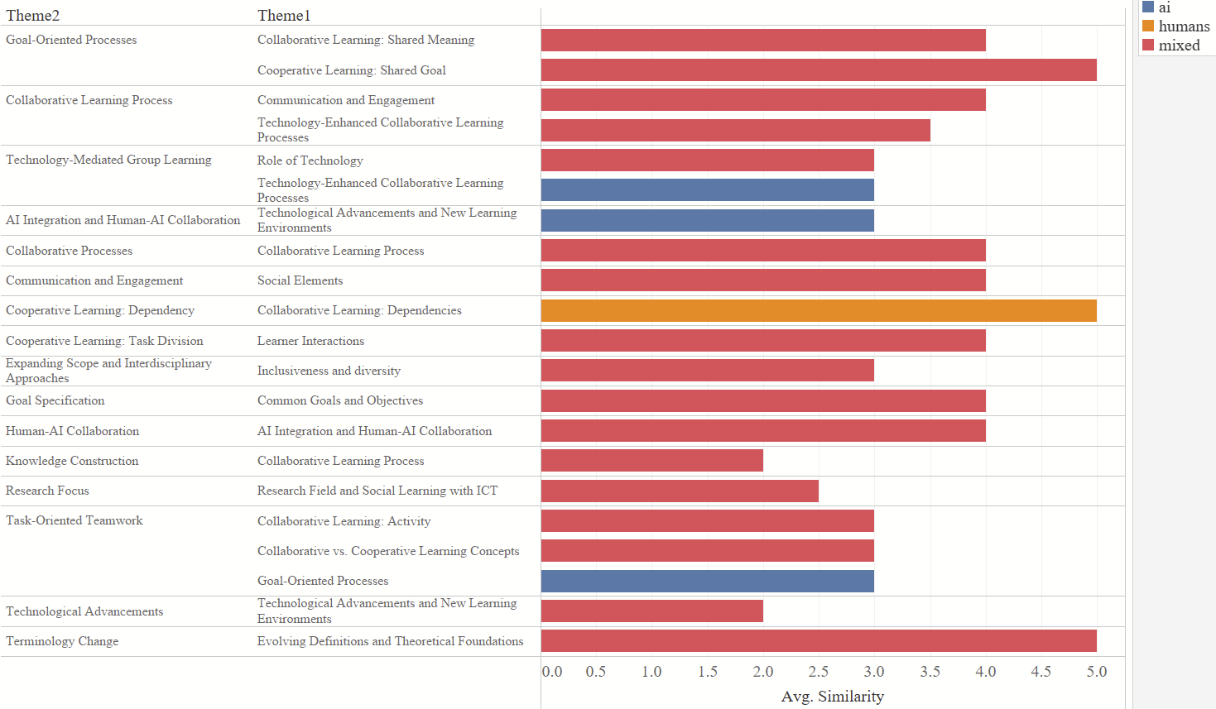
Codes
 | Correct AI origin guessing |  |  |  |  |  |  | Isolated Code Quality |  |  | Compared Code Quality
 | Codes |  |  | Themes |  |  |  |  |  |  |  |  |  |  |  |  |  |  |  |  | Number of Codes generated on average
 | Coder 1 | Coder 2 |  | Coder 1 | Coder 2 |  |  |  | Coder1 | Coder2 | How well do both sets represent the data? | Coder1 | Coder2 | Assessment |  |  |  |  |  |  | Question | Author | Avg Number of Codes
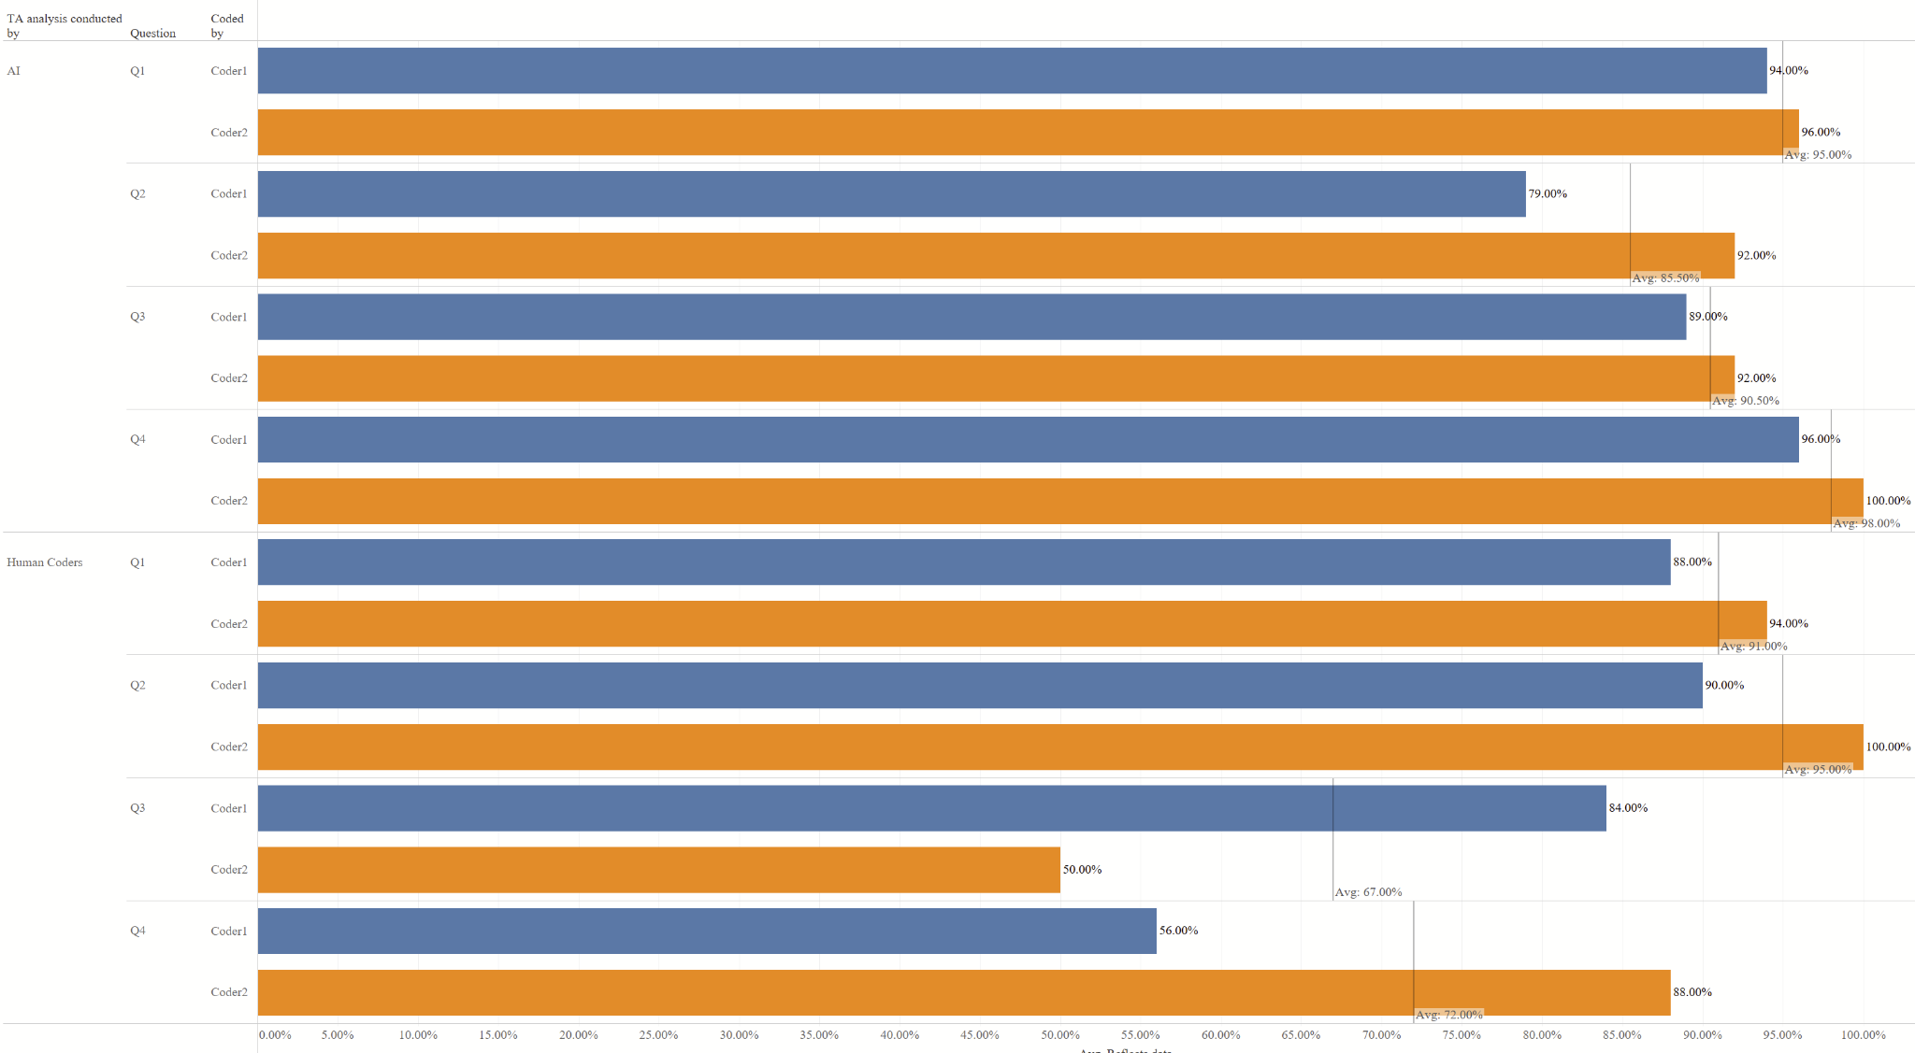
Q1 | 19% | 15% | Q1 | 70% | 60% |  | Q1 | Human Coders | 69% | 98% | Q1 | 85% | 6% | Humans better |  |  |  |  |  |  | Q1 | ai | 1.6875
Q2 | 46% | 6% | Q2 | 67% | 8% |  | Q1 | AI | 94% | 96% | Q1 | 2% | 4% | AI better |  |  |  |  |  |  | Q1 | human | 3.1041666667
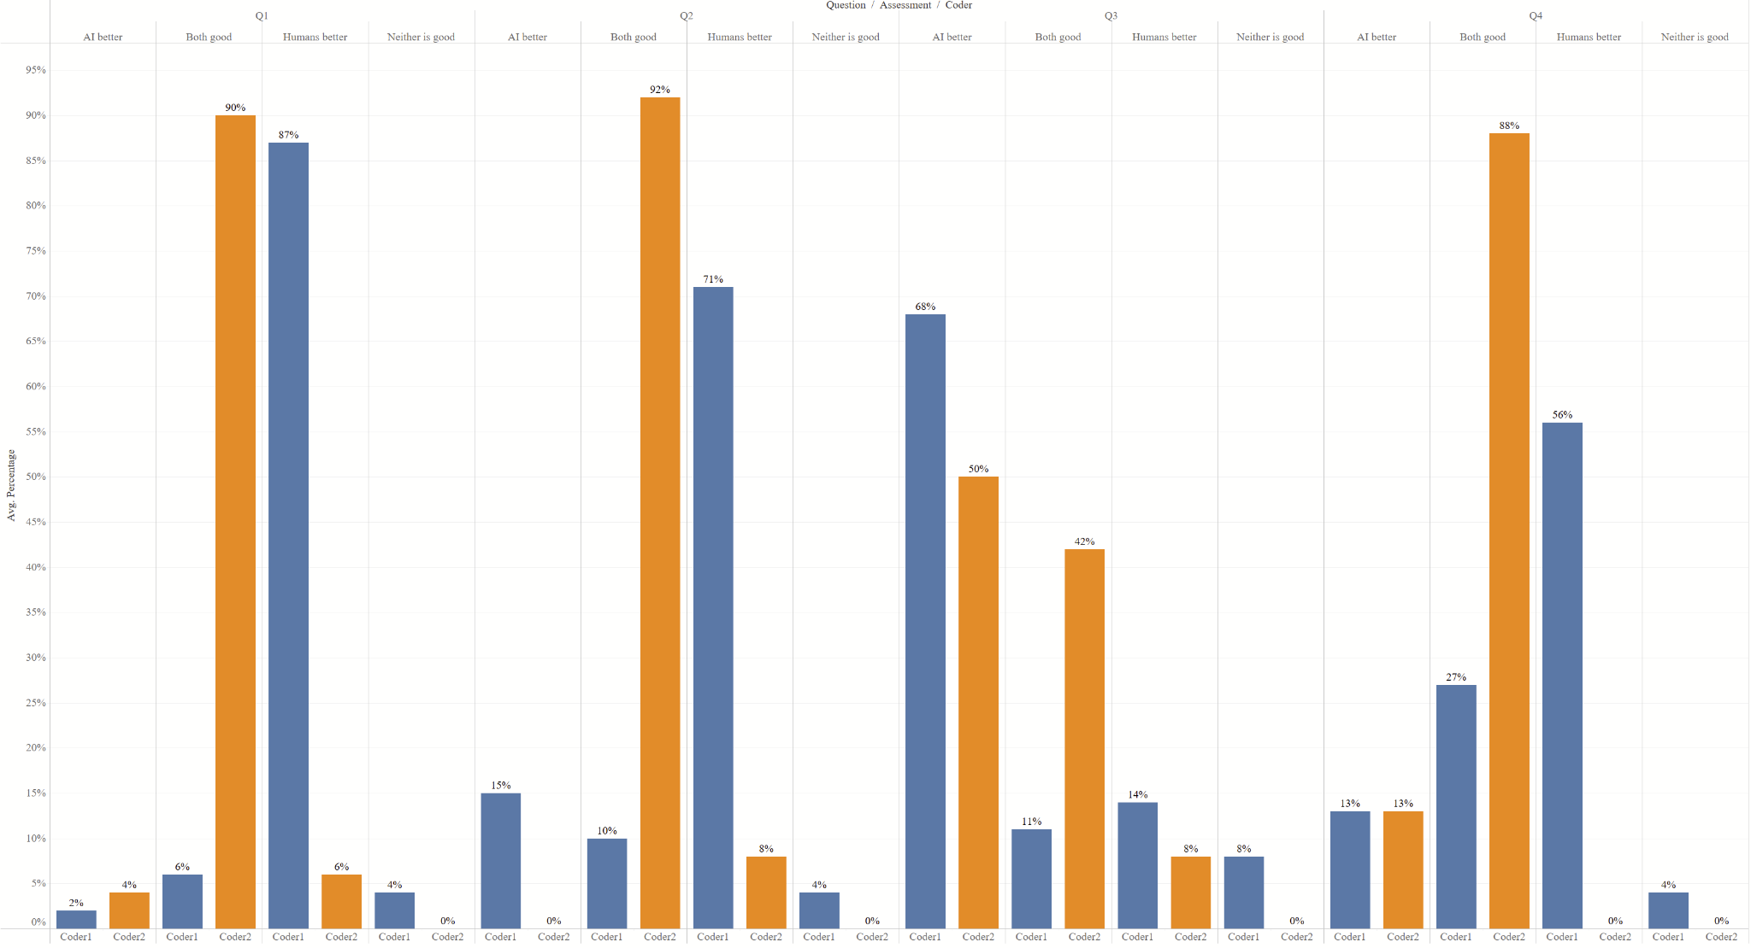
Q3 | 46% | 21% | Q3 | 4% | 91% |  | Q2 | Human Coders | 90% | 100% | Q1 | 6% | 90% | Both good |  |  |  |  |  |  | Q2 | ai | 2.3125
Q4 | 48% | 19% | Q4 | 30% | 17% |  | Q2 | AI | 79% | 92% | Q1 | 4% | 0% | Neither is good |  |  |  |  |  |  | Q2 | human | 3.2708333333
Mean | 40% | 15% | Mean | 43% | 44% |  | Q3 | Human Coders | 65% | 40% | Q2 | 71% | 8% | Humans better |  |  |  |  |  |  | Q3 | ai | 1.7708333333
 |  |  |  |  |  |  | Q3 | AI | 71% | 73% | Q2 | 15% | 0% | AI better |  |  |  |  |  |  | Q3 | human | 1.7083333333
 |  |  |  |  |  |  | Q4 | Human Coders | 56% | 88% | Q2 | 10% | 92% | Both good |  |  |  |  |  |  | Q4 | ai | 1.06
 |  |  |  |  |  |  | Q4 | AI | 96% | 100% | Q2 | 4% | 0% | Neither is good |  |  |  |  |  |  | Q4 | human | 1.94
 |  |  |  |  |  |  |  |  |  |  | Q3 | 10% | 6% | Humans better
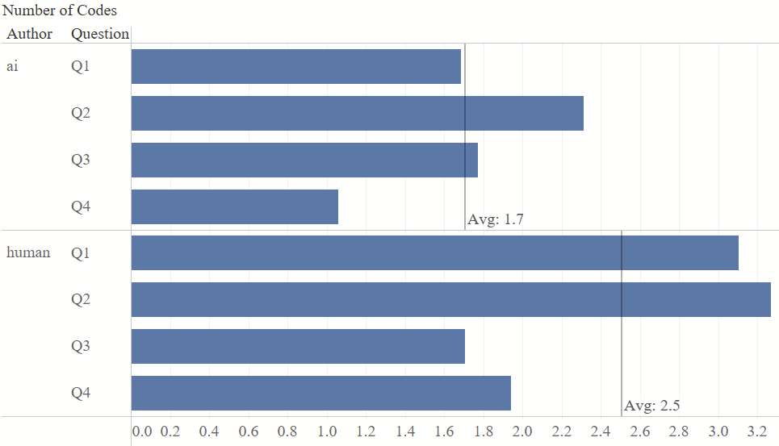
 |  |  |  |  |  |  |  |  |  |  | Q3 | 52% | 40% | AI better
 |  |  |  |  |  |  |  |  |  |  | Q3 | 8% | 33% | Both good
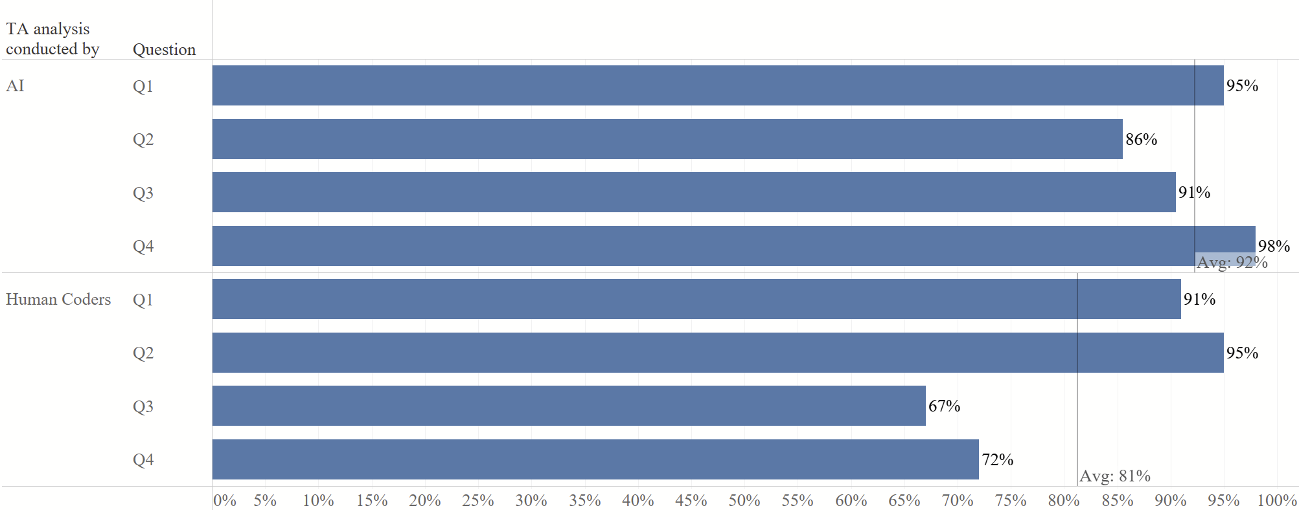
 |  |  |  |  |  |  |  |  |  |  | Q3 | 6% | 0% | Neither is good
 |  |  |  |  |  |  |  |  |  |  | Q4 | 56% | 0% | Humans better
 |  |  |  |  |  |  |  |  |  |  | Q4 | 13% | 13% | AI better
 |  |  |  |  |  |  |  |  |  |  | Q4 | 27% | 88% | Both good
 |  |  |  |  |  |  |  |  |  |  | Q4 | 4% | 0% | Neither is good
 |  |  |  |  |  |  |  |  |  |  |  |  | 0

 |  |  |  |  |  |  |  |  |  |  |  |  |  |  |  |  |  |  |  |  | Result
 |  |  |  |  |  |  |  |  |  |  |  |  |  |  |  |  |  |  |  |  | AI produced on average 0,8 less codes for all questions
Result |  |  |  |  |  |  | Result |  |  |  | Result
Both for themes and codes, the guessing rate did not exceed significantly random guessing, with the exception of coder 2 identifying correctly the majority of ai generated codes in q3 |  |  |  |  |  |  | Looking only to what extent code sets reflect individually the data points, AI codes are slightly more often to reflect the data points 91 to 81 percent |  |  |  | Directly rating each code set against each other, high discrepancy between the coders arise: While coder 2 says that for Q1, Q2 and Q4 both do an equally good job, coder 1 prefers human codes for Q1,Q2 and Q4. Q3 seems to be an exception, both coders rate most items coded by AI as reflecting data better.

Themes
 | Theme Quality |  |  |  |  |  |  |  |  |  |  | Theme Similarity |  |  |  |  |  |  | Number of Themes Generated
 | Theme Criteria |  | Coder1 | Coder2 |  | Result |  |  |  |  |  | Theme1 | Theme2 | human-ai? | Coder | Similarity | Author | Result | Question | Author | Number of Themes
Q1 | Relevance | AI | 1.00 | 1.00 |  | While coder 2 assigned rated AI generated themes and human themes similarly, coder 1 had a preference for AI generated themes for clarity. With the exception of clarity, no differences between AI and human generated themes evolved. For Q3 and Q4 coder 2 preferred human generated themes in terms of relevance |  |  |  |  | Q1 | Role of Technology | Technology-Mediated Group Learning | yes | Coder1 | 3 | mixed | Theme similarity between AI and themes from humans was scarce: only in 3 cases did both coders agree on an identified link. Together both managed to identify 16 themes they found similar. Four of them however were both created both by humans or AI, with AI themes to be identified as similar slightly higher (3) and one human theme, indicating close proximity for those themes. Experts estimated similarity was on average 3,7 | Q1 | ai | 4
Q1 | Relevance | Human Coded | 1.00 | 1.00 |  |  |  |  |  |  | Q1 | Technology-Enhanced Collaborative Learning Processes | Collaborative Learning Process | yes | Coder1 | 4 | mixed |  | Q1 | human | 7
Q2 | Relevance | AI | 0.80 | 1.00 |  |  |  |  |  |  | Q1 | Research Field and Social Learning with ICT | Research Focus | yes | Coder1 | 3 | mixed |  | Q2 | ai | 5
Q2 | Relevance | Human Coded | 0.86 | 0.57 |  |  |  |  |  |  | Q1 | Technology-Enhanced Collaborative Learning Processes | Technology-Mediated Group Learning | no | Coder2 | 3 | ai |  | Q2 | human | 7
Q3 | Relevance | AI | 1.00 | 0.60 |  |  |  |  |  |  | Q1 | Research Field and Social Learning with ICT | Research Focus | yes | Coder2 | 2 | mixed |  | Q3 | ai | 5
Q3 | Relevance | Human Coded | 0.88 | 0.82 |  |  |  |  |  |  | Q1 | Technology-Enhanced Collaborative Learning Processes | Collaborative Learning Process | yes | Coder2 | 3 | mixed |  | Q3 | human | 17
Q4 | Relevance | AI | 1.00 | 0.60 |  |  |  |  |  |  | Q2 | Social Elements | Communication and Engagement | yes | Coder1 | 4 | mixed |  | Q4 | ai | 6
Q4 | Relevance | Human Coded | 0.88 | 0.82 |  |  |  |  |  |  | Q2 | Common Goals and Objectives | Goal Specification | yes | Coder1 | 3 | mixed |  | Q4 | human | 7
Q1 | Representativeness | AI | 0.75 | 1.00 |  |  |  |  |  |  | Q2 | Collaborative Learning Process | Collaborative Processes | yes | Coder1 | 4 | mixed
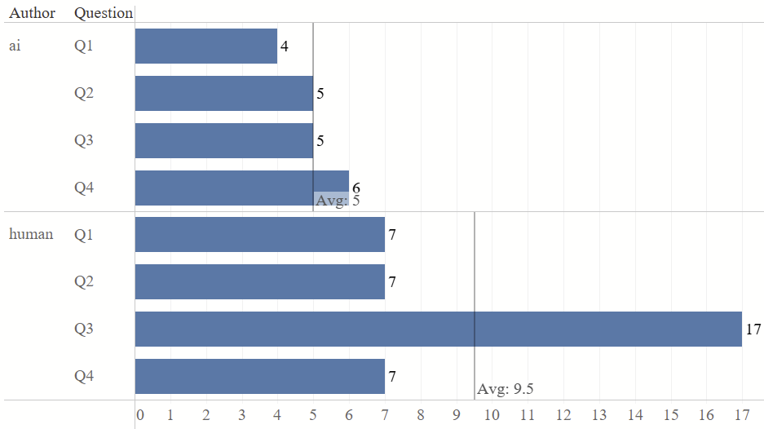
Q1 | Representativeness | Human Coded | 0.86 | 1.00 |  |  |  |  |  |  | Q2 | Collaborative Learning Process | Knowledge Construction | yes | Coder1 | 2 | mixed
Q2 | Representativeness | AI | 0.40 | 1.00 |  |  |  |  |  |  | Q2 | Common Goals and Objectives | Goal Specification | yes | Coder2 | 5 | mixed
Q2 | Representativeness | Human Coded | 0.71 | 1.00 |  |  |  |  |  |  | Q2 | Communication and Engagement | Collaborative Learning Process | yes | Coder2 | 4 | mixed
Q3 | Representativeness | AI | 1.00 | 1.00 |  |  |  |  |  |  | Q3 | Collaborative vs. Cooperative Learning Concepts | Task-Oriented Teamwork | yes | Coder1 | 3 | mixed
Q3 | Representativeness | Human Coded | 0.71 | 0.94 |  |  |  |  |  |  | Q3 | Goal-Oriented Processes | Task-Oriented Teamwork | no | Coder1 | 3 | ai
Q4 | Representativeness | AI | 1.00 | 1.00 |  |  |  |  |  |  | Q3 | Learner Interactions | Cooperative Learning: Task Division | yes | Coder1 | 4 | mixed
Q4 | Representativeness | Human Coded | 0.86 | 1.00 |  |  |  |  |  |  | Q3 | Collaborative Learning: Shared Meaning | Goal-Oriented Processes | yes | Coder1 | 4 | mixed
Q1 | Clarity | AI | 1.00 | 1.00 |  |  |  |  |  |  | Q3 | Collaborative Learning: Activity | Task-Oriented Teamwork | yes | Coder1 | 3 | mixed
Q1 | Clarity | Human Coded | 1.00 | 1.00 |  |  |  |  |  |  | Q3 | Cooperative Learning: Shared Goal | Goal-Oriented Processes | yes | Coder1 | 5 | mixed
Q2 | Clarity | AI | 0.60 | 1.00 |  |  |  |  |  |  | Q3 | Collaborative Learning: Dependencies | Cooperative Learning: Dependency | no | Coder1 | 5 | humans
Q2 | Clarity | Human Coded | 0.71 | 1.00 |  |  |  |  |  |  | Q4 | Evolving Definitions and Theoretical Foundations | Terminology Change | yes | Coder1 | 5 | mixed
Q3 | Clarity | AI | 1.00 | 1.00 |  |  |  |  |  |  | Q4 | AI Integration and Human-AI Collaboration | Human-AI Collaboration | yes | Coder1 | 4 | mixed
Q3 | Clarity | Human Coded | 0.35 | 1.00 |  |  |  |  |  |  | Q4 | Technological Advancements and New Learning Environments | AI Integration and Human-AI Collaboration | no | Coder1 | 3 | ai
Q4 | Clarity | AI | 1.00 | 1.00 |  |  |  |  |  |  | Q4 | Inclusiveness and diversity | Expanding Scope and Interdisciplinary Approaches | yes | Coder1 | 3 | mixed
Q4 | Clarity | Human Coded | 0.86 | 1.00 |  |  |  |  |  |  | Q4 | Technological Advancements and New Learning Environments | Technological Advancements | yes | Coder2 | 2 | mixed
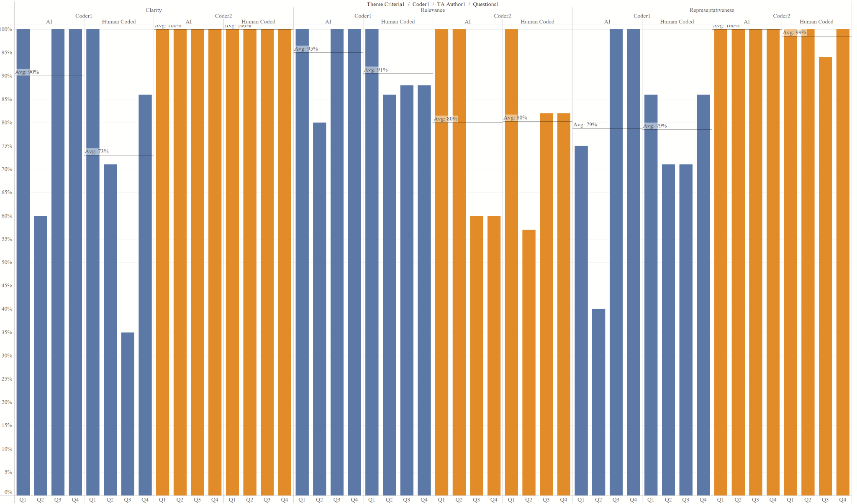
 |  |  | 0 |  |  |  |  |  |  |  | Q4 | AI Integration and Human-AI Collaboration | Human-AI Collaboration | yes | Coder2 | 4 | mixed
 |  |  |  |  |  |  |  |  |  |  |  |  |  |  |  |  |  |  | Result: Humans produced coherently more themes
 |  |  |  |  |  |  |  |  |  |  | Number of commonly identified matches: 3 out of 22 identified combinations

